WE-892
PT SUMI RUBBER INDONESIA
WP |  | PROSEDUR PENGOPERASIAN PROGRAM REUSE MATERIAL SIDEWALL |  |  |  |  | WE - 892/00

Latar Belakang : Support System Untuk Implementasi Electric Stock Sidewall
Ruang Lingkup : Produksi -1
PIC : Opr, Ldr, FM, Spv. Prod-1

I. Langkah-langkah pengoperasian program :

 | 1. Double click icon program ReuseRecords.exe
1

 | 2. Menu utama program reuse record
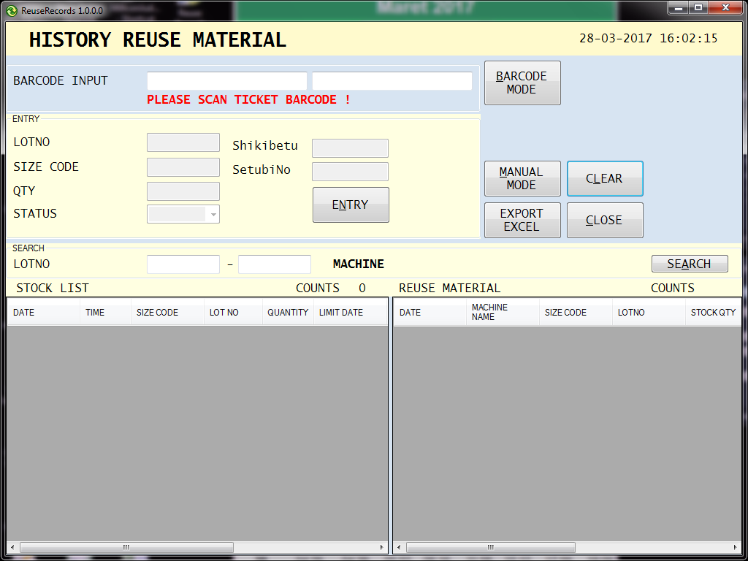

Issued date |  | Approved by |  | Checked by |  | Prepared by |  | Page
 |  |  |  |  |  |  |  | 1/4
 |  | Sutrisno | Juhdi M |  | Chandra W |  | Fahmi P

PT SUMI RUBBER INDONESIA
WP |  | PROSEDUR PENGOPERASIAN PROGRAM REUSE MATERIAL SIDEWALL |  |  |  |  | WE - 892/00

 | 3. Click menu search untuk melihat data stock dan data material reuse.
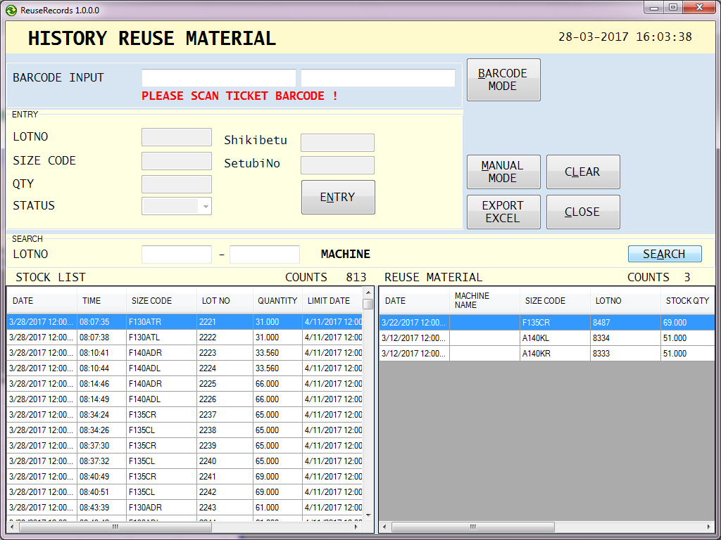

3

 | 4. Untuk pencarian material yang akan di reuse, input lot number pada kolom
 | search -> LOTNO seperti gambar 4 di bawah.
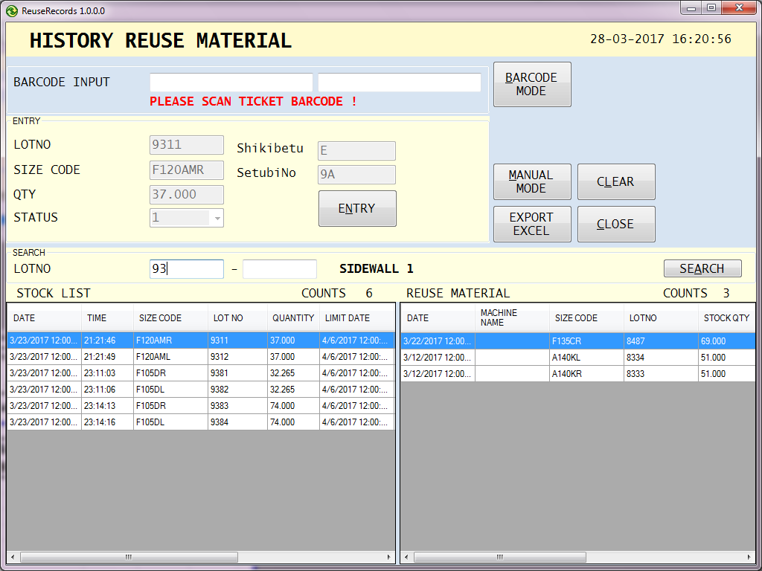

4

Issued date |  | Approved by |  | Checked by |  | Prepared by |  | Page
 |  |  |  |  |  |  |  | 2/4
 |  | Sutrisno | Juhdi M |  | Chandra W |  | Fahmi P

PT SUMI RUBBER INDONESIA
WP |  | PROSEDUR PENGOPERASIAN PROGRAM REUSE MATERIAL SIDEWALL |  |  |  |  | WE - 892/00

 | 5. Hasil pencarian material yang akan di reuse.
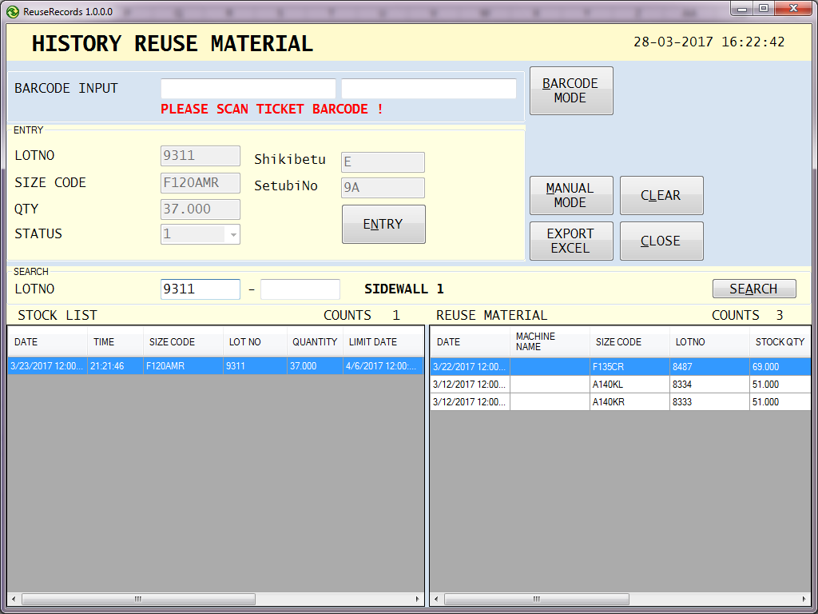

5

 | 6. klik tombol ENTRY untuk input data material reuse.
 | 7. Konfirmasi data material yang telah di input telah tersimpan di database.

6

7

Issued date |  | Approved by |  | Checked by |  | Prepared by |  | Page
 |  |  |  |  |  |  |  | 3/4
 |  | Sutrisno | Juhdi M |  | Chandra W |  | Fahmi P

PT SUMI RUBBER INDONESIA
WP |  | PROSEDUR PENGOPERASIAN PROGRAM REUSE MATERIAL SIDEWALL |  |  |  |  | WE - 892/00

 | 8. Konfirmasi auto delete data material reuse yang telah di input.

8

 | 9. Tampilan form setelah data material reuse di input pada program.

9

Issued date |  | Approved by |  | Checked by |  | Prepared by |  | Page
 |  |  |  |  |  |  |  | 4/4
 |  | Sutrisno | Juhdi M |  | Chandra W |  | Fahmi P

